Info
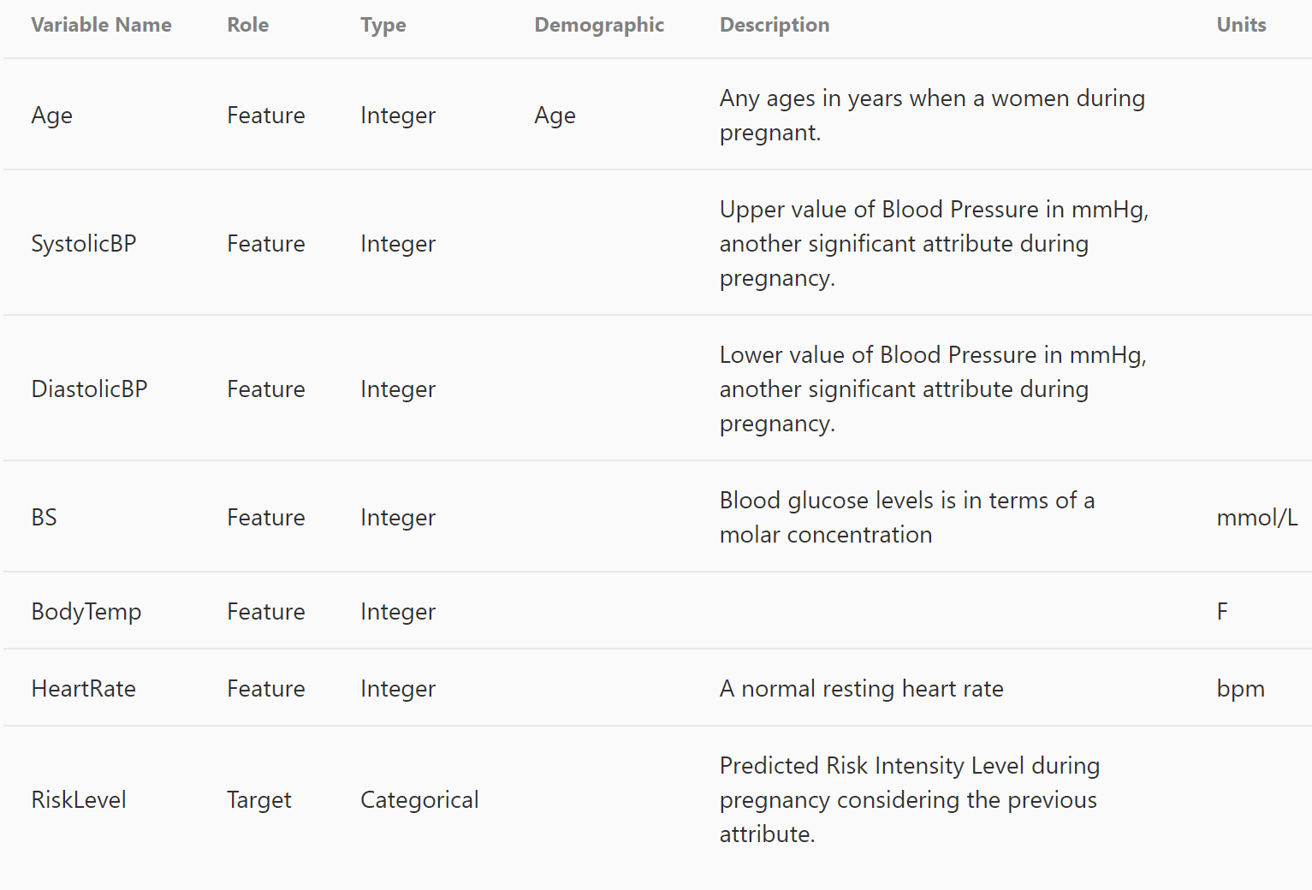
Data has been collected from different hospitals, community clinics, maternal health cares from the rural areas of Bangladesh through the IoT based risk monitoring system.

